Daily Power Station Chart_14-01
Plant_31/01/2025Chart

Plant:odco1 |  |  | Installed Capacity:111.180kWp
Today Yield(kWh):580.400kWh |  | Today Earning:232160.000TND |  | Today Full Load Hours(h):5.22h

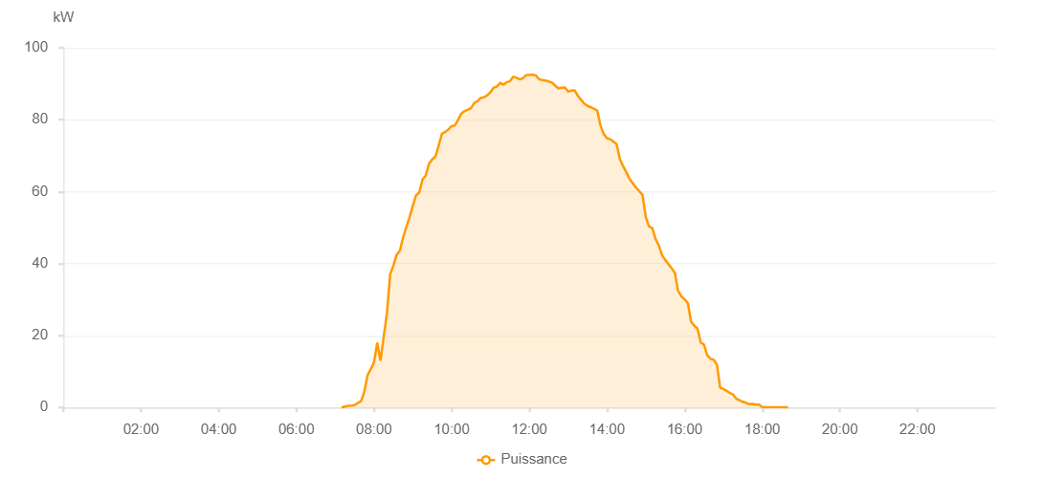

Number | Time | Working State | PV(W) | Instantaneous Radiation(W/㎡)
1 | 07:10:00 | Online | 20.00000 | 0
2 | 07:15:00 | Online | 250.00000 | 0
3 | 07:20:00 | Online | 490.00000 | 0
4 | 07:25:00 | Online | 520.00000 | 2.00000
5 | 07:30:00 | Online | 660.00000 | 3.00000
6 | 07:35:00 | Online | 1270.00000 | 8.00000
7 | 07:40:00 | Online | 1730.00000 | 10.00000
8 | 07:45:00 | Online | 4330.00000 | 18.00000
9 | 07:50:00 | Online | 8960.00000 | 142.00000
10 | 07:55:00 | Online | 10670.00000 | 174.00000
11 | 08:00:00 | Online | 12520.00000 | 200.00000
12 | 08:05:00 | Online | 17990.00000 | 233.00000
13 | 08:10:00 | Online | 13030.00000 | 131.00000
14 | 08:15:00 | Online | 19620.00000 | 307.00000
15 | 08:20:00 | Online | 26210.00000 | 311.00000
16 | 08:25:00 | Online | 37050.00000 | 221.00000
17 | 08:30:00 | Online | 39520.00000 | 386.00000
18 | 08:35:00 | Online | 42470.00000 | 410.00000
19 | 08:40:00 | Online | 43590.00000 | 434.00000
20 | 08:45:00 | Online | 47260.00000 | 448.00000
21 | 08:50:00 | Online | 50190.00000 | 473.00000
22 | 08:55:00 | Online | 52860.00000 | 495.00000
23 | 09:00:00 | Online | 56100.00000 | 517.00000
24 | 09:05:00 | Online | 58950.00000 | 539.00000
25 | 09:10:00 | Online | 59800.00000 | 559.00000
26 | 09:15:00 | Online | 63380.00000 | 580.00000
27 | 09:20:00 | Online | 64500.00000 | 602.00000
28 | 09:25:00 | Online | 67750.00000 | 619.00000
29 | 09:30:00 | Online | 68980.00000 | 633.00000
30 | 09:35:00 | Online | 69780.00000 | 650.00000
31 | 09:40:00 | Online | 72780.00000 | 666.00000
32 | 09:45:00 | Online | 76130.00000 | 686.00000
33 | 09:50:00 | Online | 76580.00000 | 692.00000
34 | 09:55:00 | Online | 77310.00000 | 704.00000
35 | 10:00:00 | Online | 78220.00000 | 712.00000
36 | 10:05:00 | Online | 78420.00000 | 714.00000
37 | 10:10:00 | Online | 79950.00000 | 732.00000
38 | 10:15:00 | Online | 81730.00000 | 745.00000
39 | 10:20:00 | Online | 82420.00000 | 758.00000
40 | 10:25:00 | Online | 82780.00000 | 766.00000
41 | 10:30:00 | Online | 83220.00000 | 774.00000
42 | 10:35:00 | Online | 84680.00000 | 787.00000
43 | 10:40:00 | Online | 85130.00000 | 792.00000
44 | 10:45:00 | Online | 86050.00000 | 800.00000
45 | 10:50:00 | Online | 86250.00000 | 806.00000
46 | 10:55:00 | Online | 86800.00000 | 817.00000
47 | 11:00:00 | Online | 87650.00000 | 829.00000
48 | 11:05:00 | Online | 88930.00000 | 838.00000
49 | 11:10:00 | Online | 89240.00000 | 847.00000
50 | 11:15:00 | Online | 90250.00000 | 852.00000
51 | 11:20:00 | Online | 89720.00000 | 852.00000
52 | 11:25:00 | Online | 90470.00000 | 856.00000
53 | 11:30:00 | Online | 90660.00000 | 863.00000
54 | 11:35:00 | Online | 92000.00000 | 861.00000
55 | 11:40:00 | Online | 91730.00000 | 867.00000
56 | 11:45:00 | Online | 91230.00000 | 864.00000
57 | 11:50:00 | Online | 91500.00000 | 870.00000
58 | 11:55:00 | Online | 92390.00000 | 871.00000
59 | 12:00:00 | Online | 92500.00000 | 885.00000
60 | 12:05:00 | Online | 92570.00000 | 881.00000
61 | 12:10:00 | Online | 92330.00000 | 885.00000
62 | 12:15:00 | Online | 91280.00000 | 878.00000
63 | 12:20:00 | Online | 91000.00000 | 875.00000
64 | 12:25:00 | Online | 90880.00000 | 872.00000
65 | 12:30:00 | Online | 90650.00000 | 869.00000
66 | 12:35:00 | Online | 90340.00000 | 864.00000
67 | 12:40:00 | Online | 89500.00000 | 862.00000
68 | 12:45:00 | Online | 88700.00000 | 854.00000
69 | 12:50:00 | Online | 88900.00000 | 844.00000
70 | 12:55:00 | Online | 88960.00000 | 838.00000
71 | 13:00:00 | Online | 87820.00000 | 828.00000
72 | 13:05:00 | Online | 88100.00000 | 826.00000
73 | 13:10:00 | Online | 88180.00000 | 817.00000
74 | 13:15:00 | Online | 86680.00000 | 813.00000
75 | 13:20:00 | Online | 85540.00000 | 796.00000
76 | 13:25:00 | Online | 84460.00000 | 790.00000
77 | 13:30:00 | Online | 83850.00000 | 781.00000
78 | 13:35:00 | Online | 83460.00000 | 772.00000
79 | 13:40:00 | Online | 83050.00000 | 764.00000
80 | 13:45:00 | Online | 82560.00000 | 753.00000
81 | 13:50:00 | Online | 78430.00000 | 740.00000
82 | 13:55:00 | Online | 76040.00000 | 727.00000
83 | 14:00:00 | Online | 74880.00000 | 711.00000
84 | 14:05:00 | Online | 74570.00000 | 700.00000
85 | 14:10:00 | Online | 73970.00000 | 692.00000
86 | 14:15:00 | Online | 73200.00000 | 669.00000
87 | 14:20:00 | Online | 69080.00000 | 662.00000
88 | 14:25:00 | Online | 67070.00000 | 648.00000
89 | 14:30:00 | Online | 65410.00000 | 636.00000
90 | 14:35:00 | Online | 63550.00000 | 618.00000
91 | 14:40:00 | Online | 62350.00000 | 597.00000
92 | 14:45:00 | Online | 61130.00000 | 578.00000
93 | 14:50:00 | Online | 60150.00000 | 565.00000
94 | 14:55:00 | Online | 59090.00000 | 547.00000
95 | 15:00:00 | Online | 53000.00000 | 530.00000
96 | 15:05:00 | Online | 50310.00000 | 506.00000
97 | 15:10:00 | Online | 49920.00000 | 491.00000
98 | 15:15:00 | Online | 46950.00000 | 474.00000
99 | 15:20:00 | Online | 45130.00000 | 453.00000
100 | 15:25:00 | Online | 42430.00000 | 437.00000
101 | 15:30:00 | Online | 41030.00000 | 411.00000
102 | 15:35:00 | Online | 39860.00000 | 394.00000
103 | 15:40:00 | Online | 38710.00000 | 374.00000
104 | 15:45:00 | Online | 37400.00000 | 356.00000
105 | 15:50:00 | Online | 32420.00000 | 339.00000
106 | 15:55:00 | Online | 30920.00000 | 319.00000
107 | 16:00:00 | Online | 30070.00000 | 298.00000
108 | 16:05:00 | Online | 29100.00000 | 278.00000
109 | 16:10:00 | Online | 23860.00000 | 254.00000
110 | 16:15:00 | Online | 22760.00000 | 234.00000
111 | 16:20:00 | Online | 21920.00000 | 207.00000
112 | 16:25:00 | Online | 18090.00000 | 85.00000
113 | 16:30:00 | Online | 17450.00000 | 81.00000
114 | 16:35:00 | Online | 14600.00000 | 73.00000
115 | 16:40:00 | Online | 13550.00000 | 66.00000
116 | 16:45:00 | Online | 13290.00000 | 61.00000
117 | 16:50:00 | Online | 11910.00000 | 57.00000
118 | 16:55:00 | Online | 5480.00000 | 51.00000
119 | 17:00:00 | Online | 5130.00000 | 43.00000
120 | 17:05:00 | Online | 4610.00000 | 39.00000
121 | 17:10:00 | Online | 4060.00000 | 37.00000
122 | 17:15:00 | Online | 3570.00000 | 31.00000
123 | 17:20:00 | Online | 2440.00000 | 25.00000
124 | 17:25:00 | Online | 2000.00000 | 18.00000
125 | 17:30:00 | Online | 1580.00000 | 16.00000
126 | 17:35:00 | Online | 1280.00000 | 11.00000
127 | 17:40:00 | Online | 900.00000 | 7.00000
128 | 17:45:00 | Online | 980.00000 | 4.00000
129 | 17:50:00 | Online | 800.00000 | 0
130 | 17:55:00 | Online | 770.00000 | 0
131 | 18:00:00 | Online | 120.00000 | 0
132 | 18:05:00 | Online | 40.00000 | 0
133 | 18:10:00 | Online | 40.00000 | 0
134 | 18:15:00 | Online | 40.00000 | 0
135 | 18:20:00 | Online | 40.00000 | 0
136 | 18:25:00 | Online | 40.00000 | 0
137 | 18:30:00 | Online | 40.00000 | 0
138 | 18:35:00 | Online | 40.00000 | 0
139 | 18:40:00 | Online | 40.00000 | 0
140 | 19:05:00 | Online | 0.00001 | 0.00001

